Spending Water Utilities 2014$
Data tables used to produce the analysis and graphs shown in the Environmental Finance blog post by Shadi Eskaf
titled "Four Trends in Government Spending on Water and Wastewater Utilities Since 1956", dating September 9, 2015, at
http://efc.web.unc.edu/2015/09/09/four-trends-government-spending-water/

Data source:
All of the data were compiled and published by the Congressional Budget Office (CBO) as Supplemental Tables for the Public Spending on Transportation and Water Infrastructure, 1956 to 2014 report (March 2, 2015).
CBO's Supplemental Tables are included in all of the other worksheets in this Excel file, or can be downloaded from CBO at |  |  |  | https://www.cbo.gov/publication/49910

Analysis on government spending on water and wastewater utilities:
This worksheet was compiled by the Environmental Finance Center at the University of North Carolina, Chapel Hill.
We extracted the data on "Water Utilities" from Tables , and excluded the Transition Quarter of 1976.
"Water Utilities" were defined by CBO as "supply systems for distributing potable water as well as wastewater and sewage treatment systems and plants."
All amounts are shown in 2014 dollars, as calculated and published by the CBO.
Data are below each graph. There is additional data available in the CBO worksheets W1 - W12.

Key:
F = federal
F GL = federal grants and loans subsidies
F O = other federal spending |  |  |  |  |  |  |  |  |  |  |  |  |  |  |  |  |  |  |  | 36,205
SL = state and local |  |  |  |  |  |  |  |  |  |  |  |  |  |  |  |  |  |  | 180,438
C = capital |  |  |  |  |  |  |  |  |  |  |  |  |  |  |  |  |  |  |  | #DIV/0!
OM = operation and maintenance |  |  |  |  |  |  |  |  |  |  |  |  |  |  |  |  |  | #DIV/0! |  | #DIV/0!

Graph 1 |  |  | Graph 2 |  |  | Graph 3 |  |  | Graph 4 |  |  | Graph 5 |  |  | Graph 6
http://efc.web.unc.edu/2015/05/14/federal-funding-trends-for-water-and-wastewater/ |  |  | http://efc.web.unc.edu/2015/09/09/four-trends-government-spending-water/ |  |  | http://efc.web.unc.edu/2015/09/09/four-trends-government-spending-water/ |  |  | http://efc.web.unc.edu/2015/09/09/four-trends-government-spending-water/ |  |  | http://efc.web.unc.edu/2015/09/09/four-trends-government-spending-water/ |  |  | http://efc.web.unc.edu/2015/09/09/four-trends-government-spending-water/
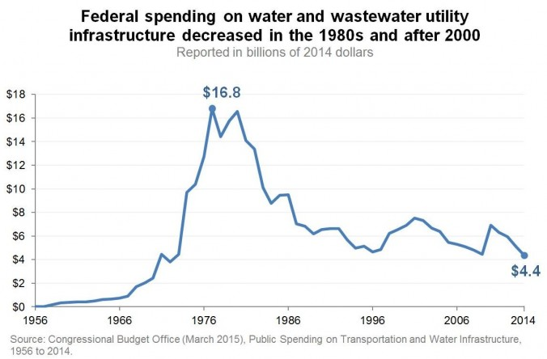
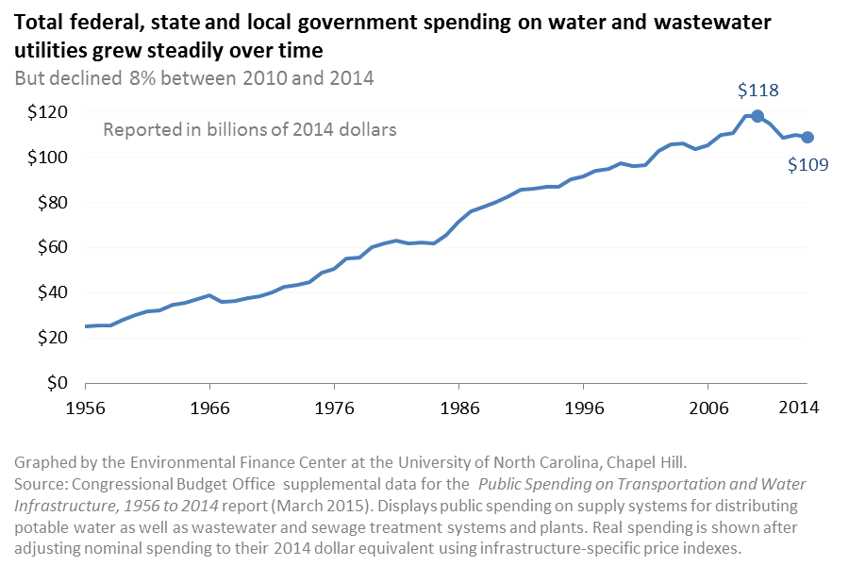
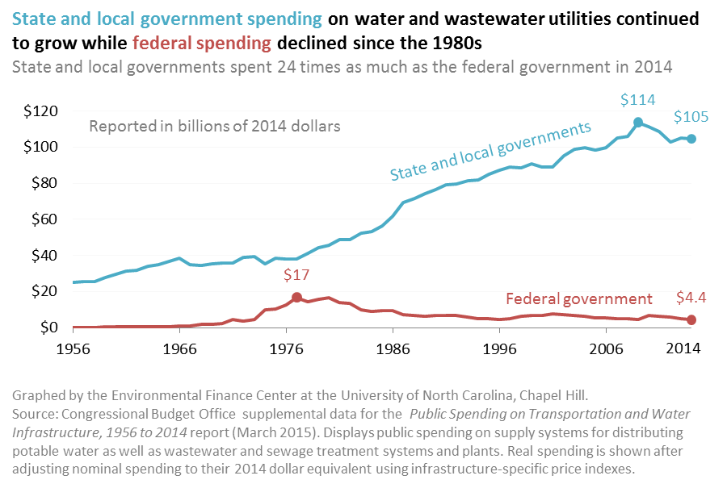
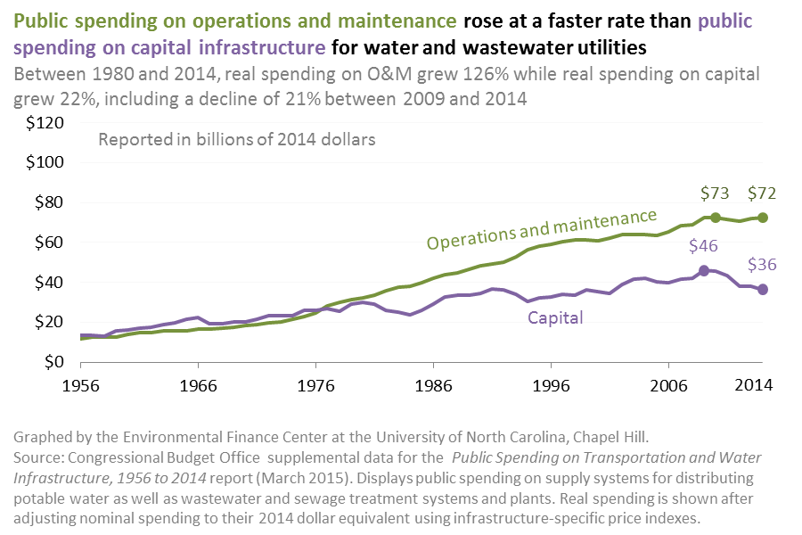
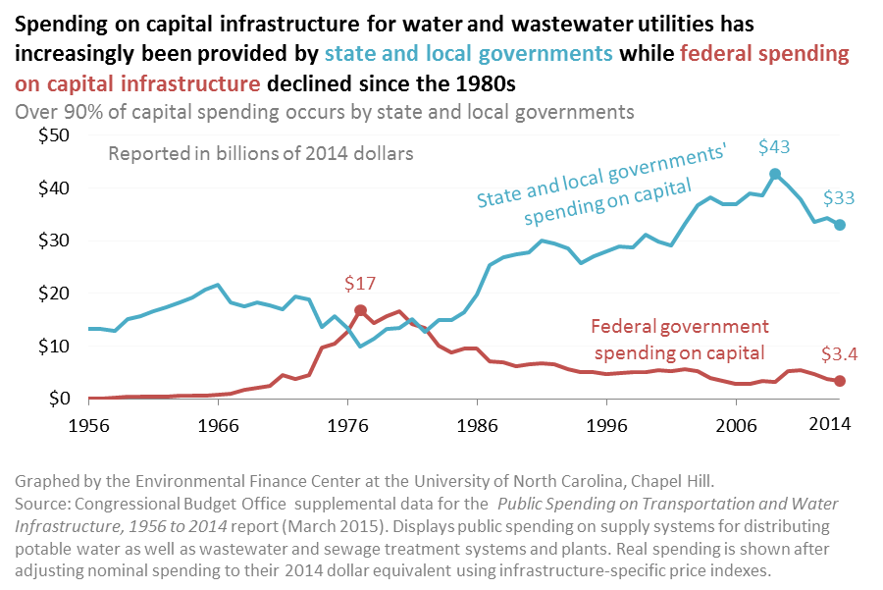
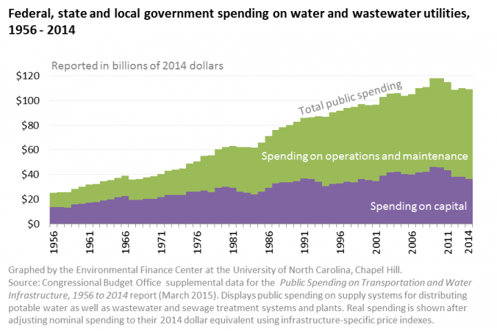

 |  | millions of 2014 $ |  |  | millions of 2014 $ |  | millions of 2014 $ | millions of 2014 $ |  | millions of 2014 $ | millions of 2014 $ |  | millions of 2014 $ | millions of 2014 $ |  | millions of 2014 $ | millions of 2014 $
 | Year | F: Water Utilities, total (Table W-8) |  | Year | F, SL: Water Utilities, total (Table W-7) | Year | SL net of F subsidies: Water Utilities, total (Table W-12) | F: Water Utilities, total (Table W-8) | Year | F, SL: Water Utilities, Operation and Maintenance (Table W-7) | F, SL: Water Utilities, Capital (Table W-7) | Year | SL net of F subsidies: Water Utilities, Capital (Table W-12) | F: Water Utilities, Capital (Table W-8) | Year | F, SL: Water Utilities, Capital (Table W-7) | F, SL: Water Utilities, Operation and Maintenance (Table W-7)
 | 1956 | $0 |  | 1956 | $25,044 | 1956 | $25,044 | $0 | 1956 | $11,739 | $13,306 | 1956 | $13,306 | $0 | 1956 | $13,306 | $11,739
 | 1957 | $19 |  | 1957 | $25,739 | 1957 | $25,720 | $19 | 1957 | $12,381 | $13,359 | 1957 | $13,339 | $19 | 1957 | $13,359 | $12,381
 | 1958 | $176 |  | 1958 | $25,587 | 1958 | $25,411 | $176 | 1958 | $12,540 | $13,047 | 1958 | $12,872 | $176 | 1958 | $13,047 | $12,540
 | 1959 | $353 |  | 1959 | $28,103 | 1959 | $27,750 | $353 | 1959 | $12,554 | $15,548 | 1959 | $15,195 | $353 | 1959 | $15,548 | $12,554
 | 1960 | $399 |  | 1960 | $30,016 | 1960 | $29,617 | $399 | 1960 | $13,941 | $16,075 | 1960 | $15,676 | $399 | 1960 | $16,075 | $13,941
 | 1961 | $436 |  | 1961 | $31,673 | 1961 | $31,237 | $436 | 1961 | $14,659 | $17,014 | 1961 | $16,577 | $436 | 1961 | $17,014 | $14,659
 | 1962 | $413 |  | 1962 | $32,400 | 1962 | $31,987 | $413 | 1962 | $14,726 | $17,673 | 1962 | $17,261 | $413 | 1962 | $17,673 | $14,726
 | 1963 | $507 |  | 1963 | $34,664 | 1963 | $34,158 | $507 | 1963 | $15,922 | $18,742 | 1963 | $18,236 | $507 | 1963 | $18,742 | $15,922
 | 1964 | $640 |  | 1964 | $35,377 | 1964 | $34,737 | $640 | 1964 | $15,562 | $19,816 | 1964 | $19,175 | $640 | 1964 | $19,816 | $15,562
 | 1965 | $668 |  | 1965 | $37,300 | 1965 | $36,632 | $668 | 1965 | $15,887 | $21,413 | 1965 | $20,745 | $668 | 1965 | $21,413 | $15,887
 | 1966 | $761 |  | 1966 | $39,110 | 1966 | $38,349 | $761 | 1966 | $16,706 | $22,404 | 1966 | $21,643 | $761 | 1966 | $22,404 | $16,706
 | 1967 | $924 |  | 1967 | $35,898 | 1967 | $34,973 | $924 | 1967 | $16,653 | $19,245 | 1967 | $18,321 | $924 | 1967 | $19,245 | $16,653
 | 1968 | $1,711 |  | 1968 | $36,205 | 1968 | $34,494 | $1,711 | 1968 | $16,963 | $19,242 | 1968 | $17,531 | $1,711 | 1968 | $19,242 | $16,963
 | 1969 | $2,019 |  | 1969 | $37,596 | 1969 | $35,577 | $2,019 | 1969 | $17,389 | $20,207 | 1969 | $18,188 | $2,019 | 1969 | $20,207 | $17,389
 | 1970 | $2,423 |  | 1970 | $38,375 | 1970 | $35,952 | $2,423 | 1970 | $18,226 | $20,149 | 1970 | $17,726 | $2,423 | 1970 | $20,149 | $18,226
 | 1971 | $4,460 |  | 1971 | $40,081 | 1971 | $35,621 | $4,460 | 1971 | $18,736 | $21,345 | 1971 | $16,885 | $4,460 | 1971 | $21,345 | $18,736
 | 1972 | $3,797 |  | 1972 | $42,779 | 1972 | $38,982 | $3,797 | 1972 | $19,593 | $23,186 | 1972 | $19,389 | $3,797 | 1972 | $23,186 | $19,593
 | 1973 | $4,454 |  | 1973 | $43,706 | 1973 | $39,252 | $4,454 | 1973 | $20,392 | $23,313 | 1973 | $18,859 | $4,454 | 1973 | $23,313 | $20,392
 | 1974 | $9,694 |  | 1974 | $44,918 | 1974 | $35,225 | $9,694 | 1974 | $21,574 | $23,344 | 1974 | $13,651 | $9,694 | 1974 | $23,344 | $21,574
 | 1975 | $10,397 |  | 1975 | $48,986 | 1975 | $38,589 | $10,397 | 1975 | $22,879 | $26,107 | 1975 | $15,710 | $10,397 | 1975 | $26,107 | $22,879
 | 1976 | $12,733 |  | 1976 | $50,707 | 1976 | $37,974 | $12,733 | 1976 | $24,531 | $26,176 | 1976 | $13,443 | $12,733 | 1976 | $26,176 | $24,531
 | 1977 | $16,797 |  | 1977 | $55,014 | 1977 | $38,217 | $16,797 | 1977 | $28,253 | $26,760 | 1977 | $9,964 | $16,797 | 1977 | $26,760 | $28,253
 | 1978 | $14,412 |  | 1978 | $55,617 | 1978 | $41,205 | $14,412 | 1978 | $29,910 | $25,707 | 1978 | $11,295 | $14,412 | 1978 | $25,707 | $29,910
 | 1979 | $15,750 |  | 1979 | $60,215 | 1979 | $44,464 | $15,750 | 1979 | $31,223 | $28,991 | 1979 | $13,241 | $15,750 | 1979 | $28,991 | $31,223
 | 1980 | $16,552 |  | 1980 | $61,993 | 1980 | $45,440 | $16,552 | 1980 | $32,072 | $29,921 | 1980 | $13,369 | $16,552 | 1980 | $29,921 | $32,072
 | 1981 | $14,106 |  | 1981 | $63,101 | 1981 | $48,994 | $14,106 | 1981 | $33,791 | $29,310 | 1981 | $15,203 | $14,106 | 1981 | $29,310 | $33,791
 | 1982 | $13,360 |  | 1982 | $62,057 | 1982 | $48,697 | $13,360 | 1982 | $35,958 | $26,099 | 1982 | $12,739 | $13,360 | 1982 | $26,099 | $35,958
 | 1983 | $10,103 |  | 1983 | $62,393 | 1983 | $52,290 | $10,103 | 1983 | $37,415 | $24,978 | 1983 | $14,875 | $10,103 | 1983 | $24,978 | $37,415
 | 1984 | $8,788 |  | 1984 | $61,828 | 1984 | $53,040 | $8,788 | 1984 | $38,054 | $23,775 | 1984 | $14,987 | $8,788 | 1984 | $23,775 | $38,054
 | 1985 | $9,462 |  | 1985 | $65,669 | 1985 | $56,208 | $9,462 | 1985 | $39,727 | $25,943 | 1985 | $16,481 | $9,462 | 1985 | $25,943 | $39,727
 | 1986 | $9,505 |  | 1986 | $71,294 | 1986 | $61,790 | $9,505 | 1986 | $42,074 | $29,221 | 1986 | $19,716 | $9,505 | 1986 | $29,221 | $42,074
 | 1987 | $7,033 |  | 1987 | $76,256 | 1987 | $69,223 | $7,033 | 1987 | $43,784 | $32,472 | 1987 | $25,439 | $7,033 | 1987 | $32,472 | $43,784
 | 1988 | $6,845 |  | 1988 | $78,305 | 1988 | $71,460 | $6,845 | 1988 | $44,699 | $33,606 | 1988 | $26,760 | $6,845 | 1988 | $33,606 | $44,699
 | 1989 | $6,181 |  | 1989 | $80,256 | 1989 | $74,075 | $6,181 | 1989 | $46,737 | $33,519 | 1989 | $27,338 | $6,181 | 1989 | $33,519 | $46,737
 | 1990 | $6,561 |  | 1990 | $82,896 | 1990 | $76,334 | $6,561 | 1990 | $48,482 | $34,414 | 1990 | $27,853 | $6,561 | 1990 | $34,414 | $48,482
 | 1991 | $6,652 |  | 1991 | $85,727 | 1991 | $79,076 | $6,652 | 1991 | $49,157 | $36,571 | 1991 | $29,919 | $6,652 | 1991 | $36,571 | $49,157
 | 1992 | $6,624 |  | 1992 | $86,268 | 1992 | $79,644 | $6,624 | 1992 | $50,178 | $36,090 | 1992 | $29,466 | $6,624 | 1992 | $36,090 | $50,178
 | 1993 | $5,664 |  | 1993 | $87,047 | 1993 | $81,383 | $5,664 | 1993 | $52,911 | $34,136 | 1993 | $28,472 | $5,664 | 1993 | $34,136 | $52,911
 | 1994 | $4,994 |  | 1994 | $86,927 | 1994 | $81,933 | $4,994 | 1994 | $56,267 | $30,660 | 1994 | $25,666 | $4,994 | 1994 | $30,660 | $56,267
 | 1995 | $5,123 |  | 1995 | $90,128 | 1995 | $85,004 | $5,123 | 1995 | $58,041 | $32,087 | 1995 | $26,964 | $5,123 | 1995 | $32,087 | $58,041
 | 1996 | $4,648 |  | 1996 | $91,674 | 1996 | $87,026 | $4,648 | 1996 | $59,082 | $32,592 | 1996 | $27,944 | $4,648 | 1996 | $32,592 | $59,082
 | 1997 | $4,847 |  | 1997 | $94,032 | 1997 | $89,185 | $4,847 | 1997 | $60,203 | $33,829 | 1997 | $28,982 | $4,847 | 1997 | $33,829 | $60,203
 | 1998 | $6,309 |  | 1998 | $94,992 | 1998 | $88,683 | $6,309 | 1998 | $61,285 | $33,707 | 1998 | $28,717 | $4,990 | 1998 | $33,707 | $61,285
 | 1999 | $6,605 |  | 1999 | $97,255 | 1999 | $90,649 | $6,605 | 1999 | $61,077 | $36,177 | 1999 | $31,124 | $5,053 | 1999 | $36,177 | $61,077
 | 2000 | $6,970 |  | 2000 | $96,072 | 2000 | $89,102 | $6,970 | 2000 | $60,860 | $35,211 | 2000 | $29,737 | $5,474 | 2000 | $35,211 | $60,860
 | 2001 | $7,586 |  | 2001 | $96,476 | 2001 | $88,891 | $7,586 | 2001 | $62,000 | $34,476 | 2001 | $29,152 | $5,324 | 2001 | $34,476 | $62,000
 | 2002 | $7,389 |  | 2002 | $102,746 | 2002 | $95,358 | $7,389 | 2002 | $63,904 | $38,842 | 2002 | $33,202 | $5,640 | 2002 | $38,842 | $63,904
 | 2003 | $6,741 |  | 2003 | $105,747 | 2003 | $99,005 | $6,741 | 2003 | $63,925 | $41,822 | 2003 | $36,666 | $5,156 | 2003 | $41,822 | $63,925
 | 2004 | $6,512 |  | 2004 | $106,163 | 2004 | $99,651 | $6,512 | 2004 | $64,064 | $42,099 | 2004 | $38,119 | $3,980 | 2004 | $42,099 | $64,064
 | 2005 | $5,521 |  | 2005 | $103,871 | 2005 | $98,351 | $5,521 | 2005 | $63,490 | $40,381 | 2005 | $36,931 | $3,450 | 2005 | $40,381 | $63,490
 | 2006 | $5,340 |  | 2006 | $105,267 | 2006 | $99,927 | $5,340 | 2006 | $65,395 | $39,872 | 2006 | $36,961 | $2,910 | 2006 | $39,872 | $65,395
 | 2007 | $5,114 |  | 2007 | $110,141 | 2007 | $105,027 | $5,114 | 2007 | $68,299 | $41,842 | 2007 | $38,988 | $2,854 | 2007 | $41,842 | $68,299
 | 2008 | $4,815 |  | 2008 | $110,692 | 2008 | $105,877 | $4,815 | 2008 | $68,792 | $41,899 | 2008 | $38,595 | $3,304 | 2008 | $41,899 | $68,792
 | 2009 | $4,459 |  | 2009 | $118,218 | 2009 | $113,759 | $4,459 | 2009 | $72,306 | $45,912 | 2009 | $42,688 | $3,224 | 2009 | $45,912 | $72,306
 | 2010 | $6,920 |  | 2010 | $118,270 | 2010 | $111,350 | $6,920 | 2010 | $72,519 | $45,751 | 2010 | $40,429 | $5,322 | 2010 | $45,751 | $72,519
 | 2011 | $6,297 |  | 2011 | $114,844 | 2011 | $108,547 | $6,297 | 2011 | $71,604 | $43,240 | 2011 | $37,864 | $5,376 | 2011 | $43,240 | $71,604
 | 2012 | $5,942 |  | 2012 | $108,826 | 2012 | $102,884 | $5,942 | 2012 | $70,676 | $38,150 | 2012 | $33,557 | $4,593 | 2012 | $38,150 | $70,676
 | 2013 | $5,112 |  | 2013 | $110,024 | 2013 | $104,912 | $5,112 | 2013 | $71,901 | $38,123 | 2013 | $34,282 | $3,841 | 2013 | $38,123 | $71,901
 | 2014 | $4,361 |  | 2014 | $108,905 | 2014 | $104,544 | $4,361 | 2014 | $72,496 | $36,409 | 2014 | $32,989 | $3,420 | 2014 | $36,409 | $72,496

